
 |  |  |  | CODE: |  |  | pl1251 aa SN from 98L000
DESCRIPTION: |  | ELECTRIC UNIT 2 |  | ELEKTRISCHE GRUPPE 2 | GROUPE ELECTRIQUE 2 | GRUPO ELÉCTRICO 2 | PARTI ELETTRICHE 2
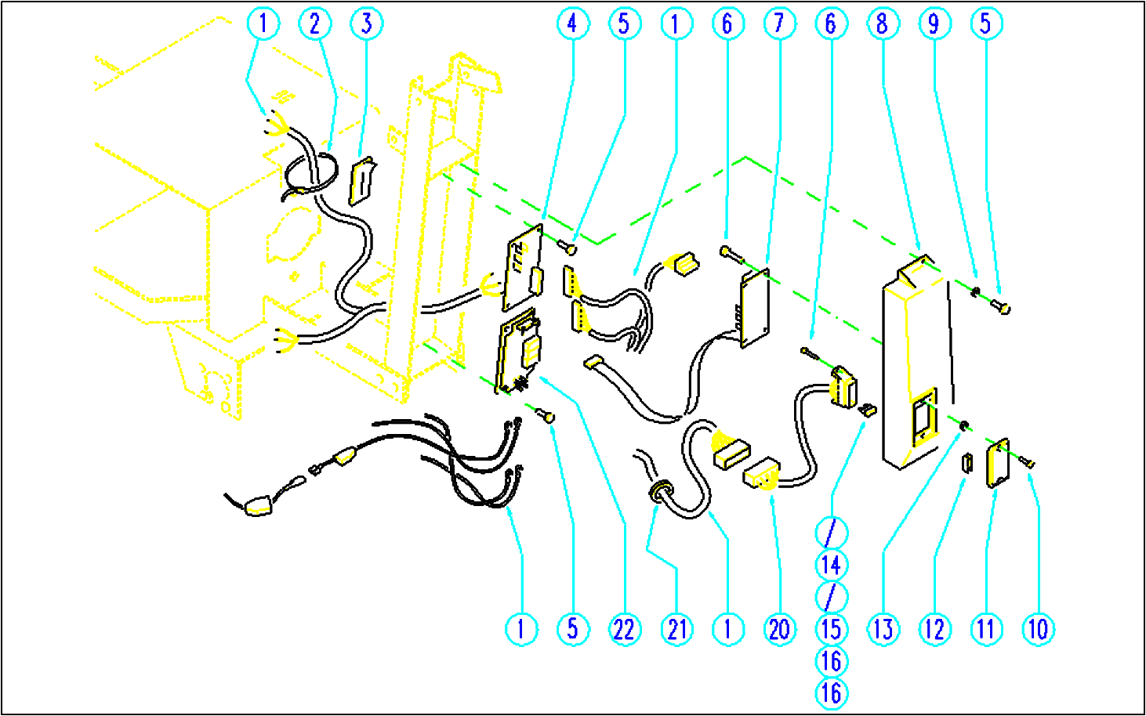

REF. | CODE | DESCRIPTION | QT
1 | SL23442J | WIRING | 1
2 | E86460 | Cable tie 12" | 1
3 | SL03210 | GASKET | 1
4 | E86642 | Pump Card | 1
5 | SL04148 | SCREW | 10
6 | SL04176 | SCREW | 6
7 | E86648 | Interface Card | 1
8 | SL17166 | COVER | 1
9 | SL06016 | WASHER | 2
10 | E86426 | Screw for AS20 | 2
11 | E86543 | Fuse Cover for AS20 | 1
12 | SL23209 | FUSE TWEEZERS | 1
13 | E87876 | Gasket | 2
14 | E86647 | Fuse 40A | 1
15 | E89342 | Fuse 30 Amp | 1
16 | E86825 | Fuse 5 amp | 2
20 | E89468 | Fuse Carrier | 1
21 | SL23783 | FAIRLEAD | 1
22 | E86660 | Control Board for AS28 | 1

